Defining Msg Output Ctrl
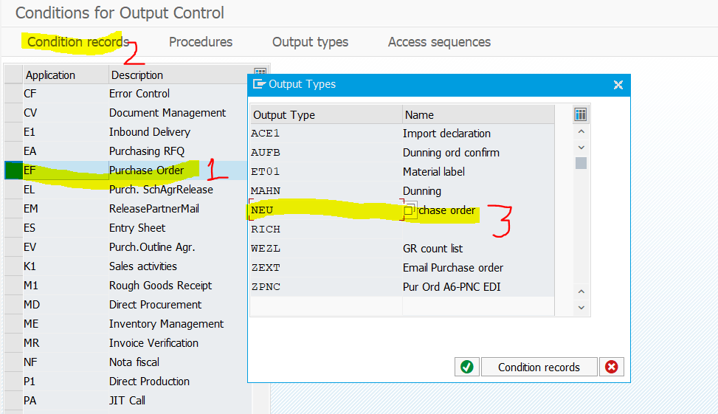
1 | Run the transaction code SPRO.
 | The Customizing: Execute Project screen appears.
2 | Click SAP Reference IMG.
 | The Display IMG screen appears.
3 | Navigate to Integration with Other SAP Components - >Managed Gateway for Spend&Network for Buyer ->
 | SAP Business Network Integration -> Application Specific Settings -> Purchase Order ->Defining Message Output Control for Purchase Order

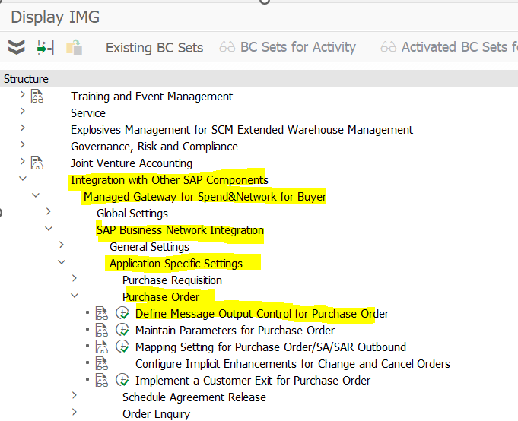

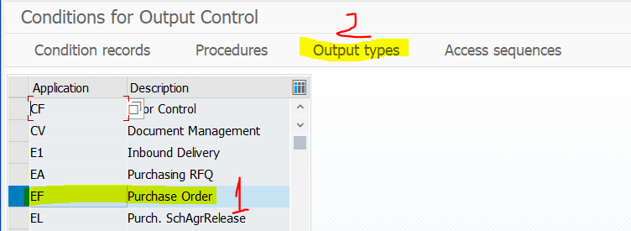

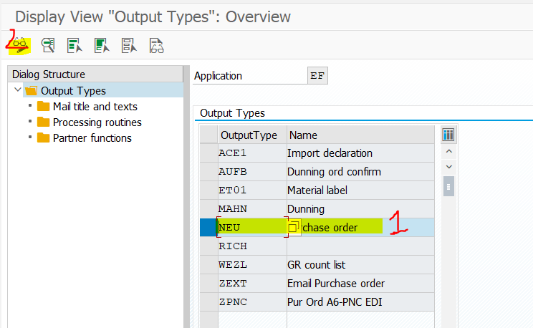

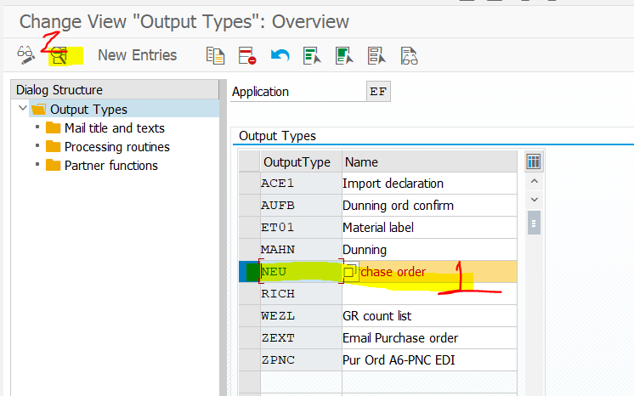

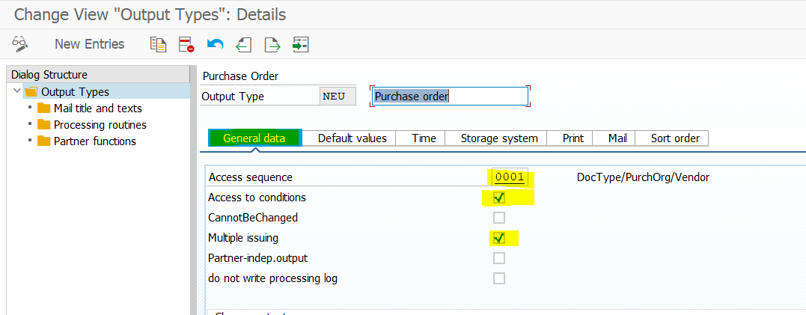
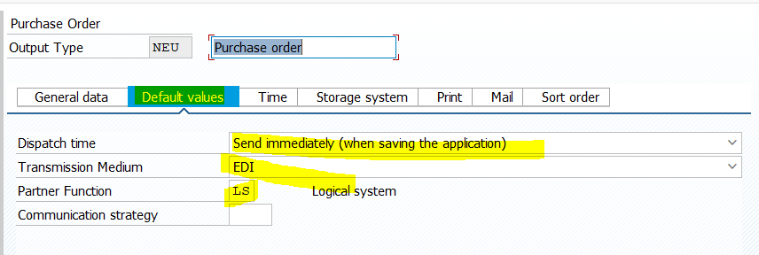

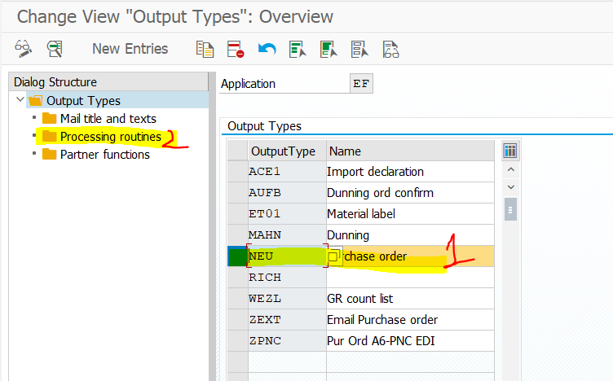

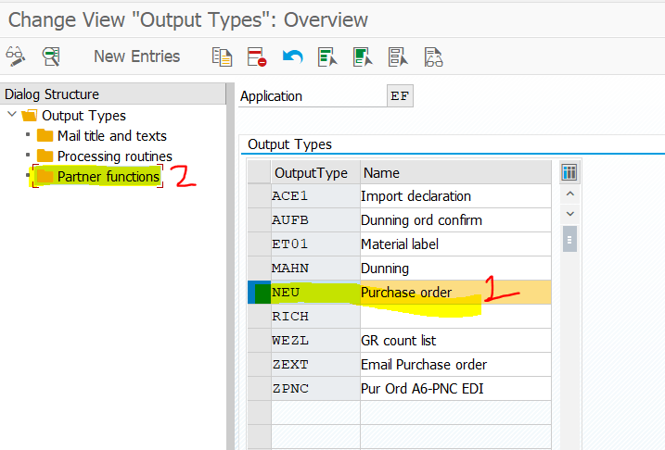
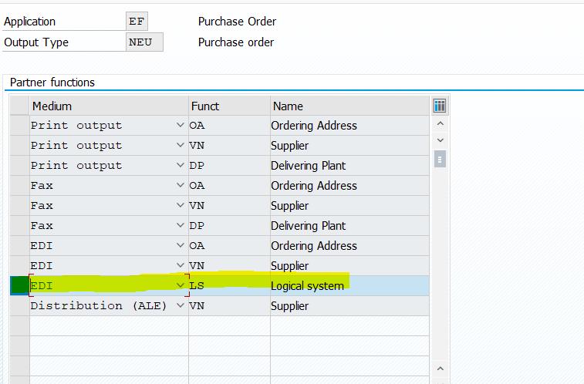
 |  | ADD the entry and SAVE

Parameters - PO
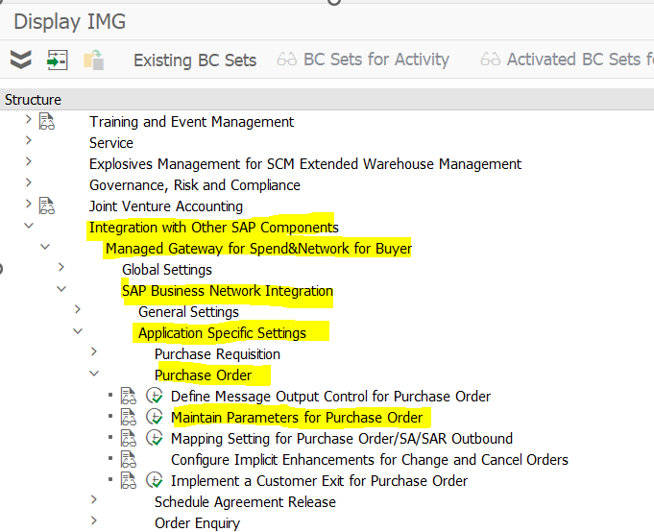
Maintaining Parameters for Purchase Orders

1 | Run the transaction code SPRO.
 | The Customizing: Execute Project screen appears.
2 | Click SAP Reference IMG.
 | The Display IMG screen appears.
3 | Navigate to Integration with Other SAP Components - >Managed Gateway for Spend&Network for Buyer ->
 | SAP Business Network Integration -> Application Specific Settings -> Purchase Order -> Maintaining Parameters for Purchase Orders

Implementing Cust Exit
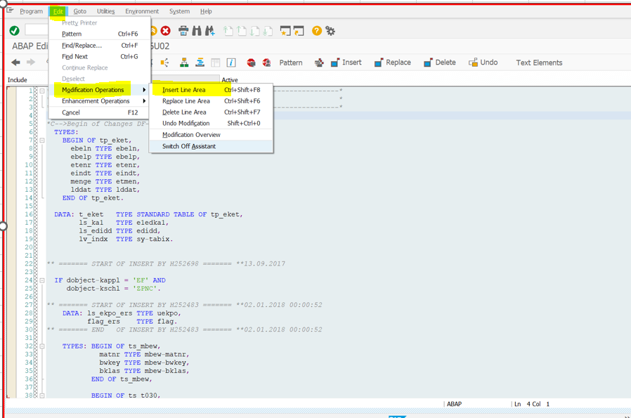
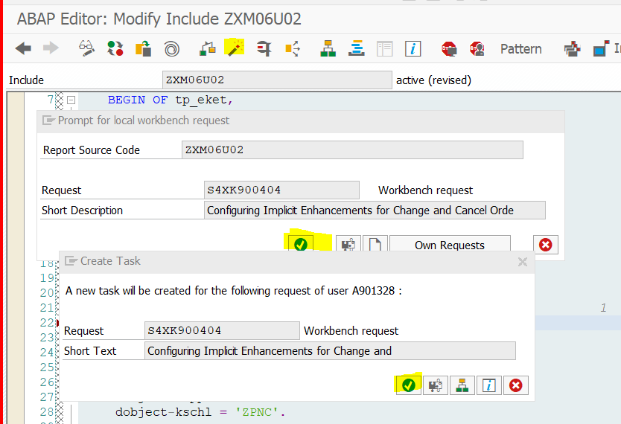
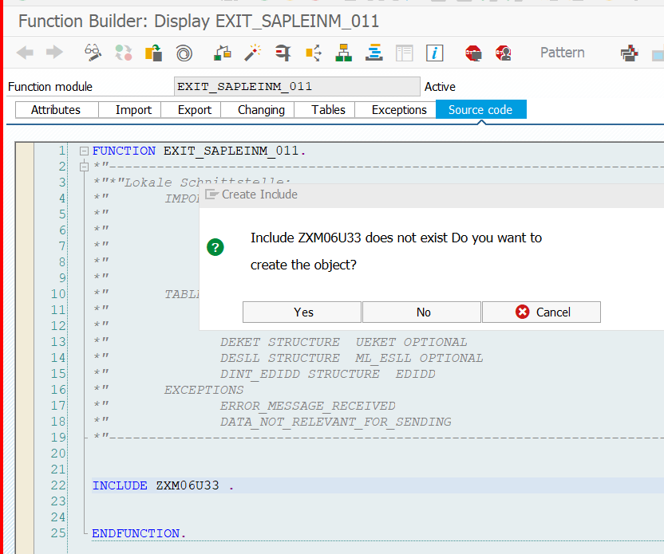
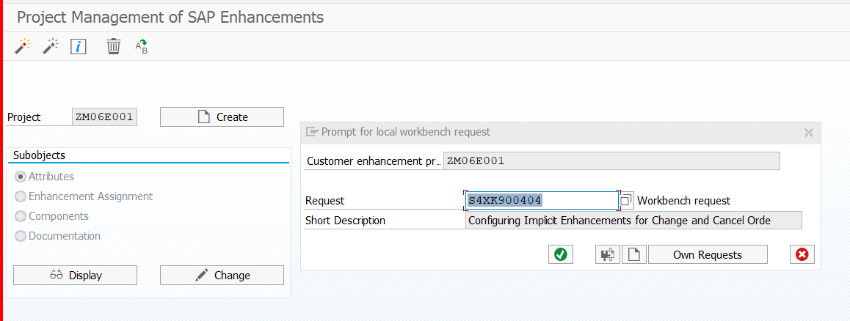
 | Implementing a Customer Exit for Purchase Orders
 |  |  |  | https://help.sap.com/docs/sisgw/sap-ariba-cloud-integration-gateway-configuration-guide/how-to-implement-customer-exit-for-purchase-orders
1 | Run the transaction code SPRO.
 | The Customizing: Execute Project screen appears.
2 | Click SAP Reference IMG.
 | The Display IMG screen appears.
3 | Navigate to Integration with Other SAP Components - >Managed Gateway for Spend&Network for Buyer ->
 | SAP Business Network Integration -> Application Specific Settings -> Purchase Order -> Implementing a Customer Exit for Purchase Orders
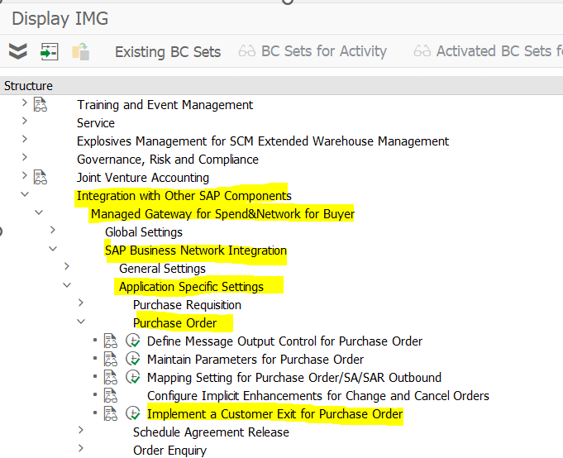

 |  | MM06E001 is part of already exisiting project - ZM06E001 | double-click the enhancement name EXIT_SAPLEINM_002

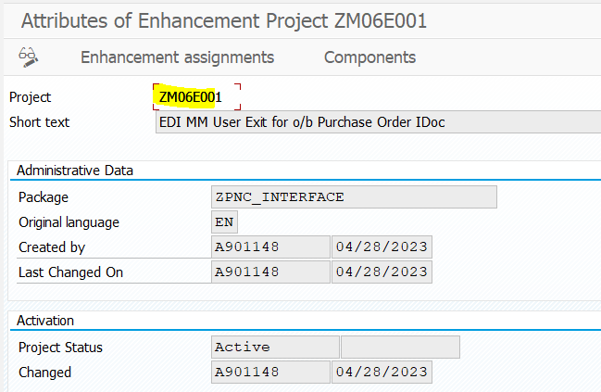
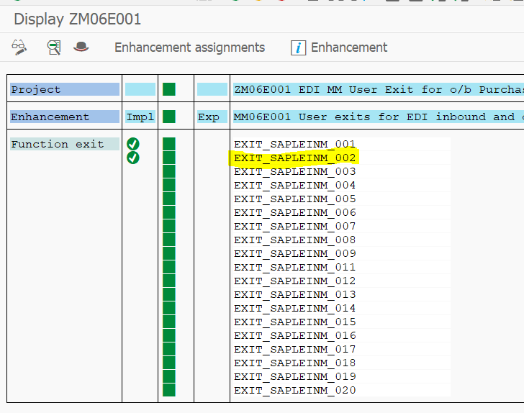

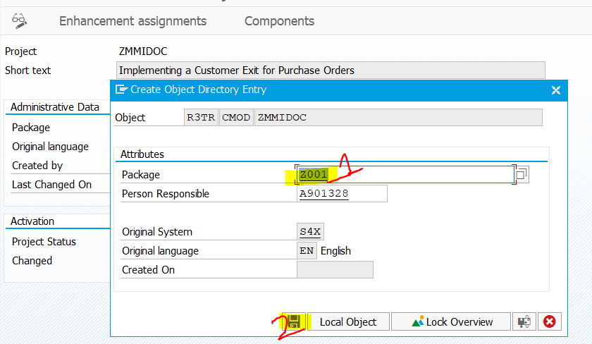
Important | DON’T CARRY OUT ANY BELOW 4 screenshots AS IT ALREADY EXISTS IN THE SYSTEM

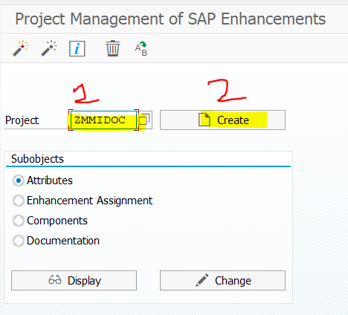
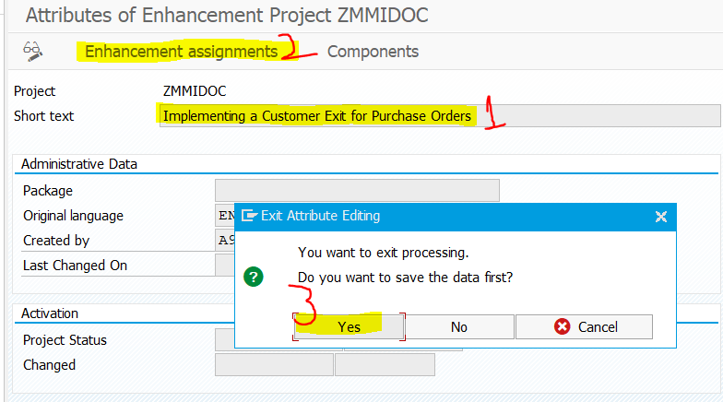

 | Select line 21

Acc Info to Supplier
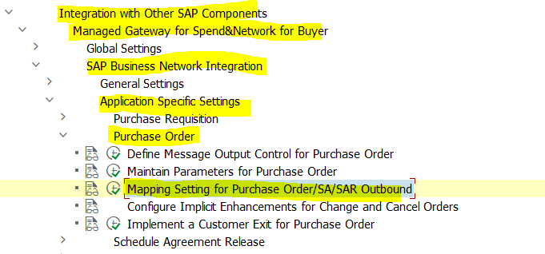
Controlling Sending Your Accounting Information to the Supplier

 | Context
 | Use this activity to control sending your accounting and organization data to the supplier.
 | Procedure
 | 1. Run the transaction code SPRO.
 | 2. Click SAP Reference IMG.
 | The Display IMG screen opens.
 | 3. Navigate to Integration with Other SAP Components Managed Gateway for Spend&Network for Buyer
 | SAP Business Network Integration Application Specific Settings Purchase Order .
 | 4. Click Mapping settings for Purchase Order/SA/SAR Outbound.
 | The Display View "Further mapping settings for purchase orderoutbound" : O screen opens.
 | 5. Click New Entries.
 | 6. In the table, maintain values for the following fields:
 | • Cocd - Enter the company code.
 | • Do not Send Account Assignment Data - Check the checkbox if you do not want to send your accounting
 | data to the supplier.
 | • Do not Send Additional Data for SAP Ariba Invoice Management - (For customers on SAP Ariba Invoice
 | Management) Check the checkbox if you do not want to send the company code related data to the
 | supplier.
 | 7. Click Save.

Dates
Converting Dates on Transaction Documents to Plant-Specific Time Zone

 | Context
 | Use this activity to convert dates on outbound documents to plant-specific time zone, by enabling the
 | USE_PLANT_TIMEZONE parameter.
 | SAP Integration Suite, Managed Gateway for Spend Management and SAP Business Network
 | Configuration Guide
 | Configuring Supported Transactions PUBLIC 235
 | Procedure
 | 1. Run the transaction code SPRO.
 | The Customizing: Execute Project screen opens.
 | 2. Click SAP Reference IMG.
 | The Display IMG screen opens.
 | 3. Navigate to Integration with Other SAP Components Managed Gateway for Spend&Network for Buyer
 | SAP Business Network Integration General Settings .
 | 4. Click IMG-Activity for Plant Specific Timezone Conversion.
 | The Parameters - Plant Specific Time Zone Conversion screen opens.
 | 5. Click Modify and maintain the following values for the USE_PLANT_TIMEZONE parameter:
 | • Variable Name: USE_PLANT_TIMEZONE
 | • Field Name: Leave it blank.
 | • Number: 0000
 | • Low: X (to enable) or leave it blank (to disable).
 | 6. Click Save.

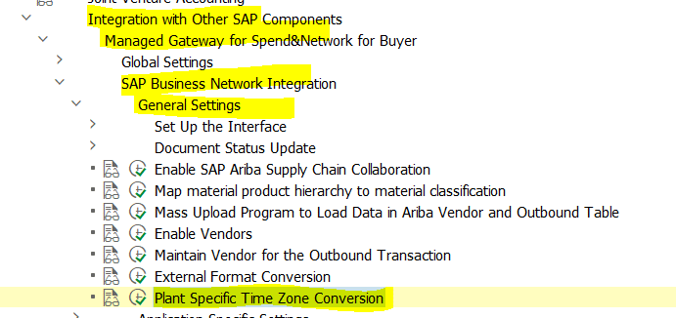

 |  | This is completed as part of General Settings

Multiple Text to BN
Sending Multiple Text Types to SAP Business Network

 | Context
 | To send multiple text types in the comments section of SAP Business Network, you must maintain the text IDs
 | of the text types for OrderRequest document type on the Cross References tab on the SAP Integration Suite,
 | managed gateway for spend management and SAP Business Network portal.
 | Procedure
 | 1. Log in to SAP Integration Suite, managed gateway for spend management and SAP Business Network.
 | 2. Click Edit for the project you want to add the cross-reference parameters to.
 | 3. Navigate to the Cross Reference step.
 | The Cross Reference Configuration screen appears.
 | 4. Choose OrderRequest from the Select Document Type drop down box on the Parameter tab and click Add.
 | The OrderRequest document type appears in the list.
 | 5. Click the Edit icon to modify the parameter values for the OrderRequest document type.

 | The following table lists the parameters and the values that you can enter for the OrderRequest document
 | type.
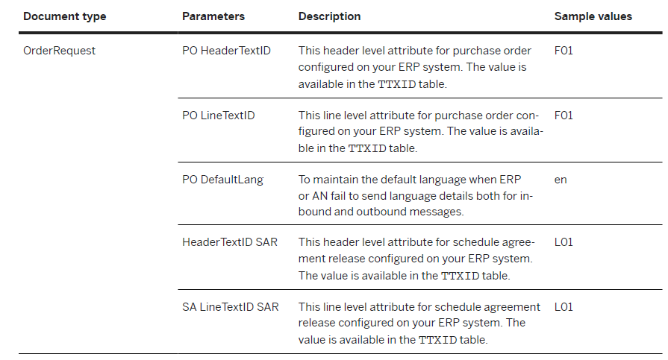

 | 6. Click Save.

